Bugs
BUG-01 | Paid break is never added into Standard or Total hours, and changing it recalculates nothing
Critical | Priority P1 | Story 45805 | Area: Timesheet totals / calculation | Test cases: TC_45805_003, TC_45805_004, TC_45805_016, TC_45805_017
Steps to reproduce | 1. Log in to fieldtrax-qa.brandsafway.com as an approver on branch 6752 - Atlanta Commercial. 2. Go to Approver 1 > Pending and open timesheet ID 372 (Shubham Choudhary, Mar 26 2026) with Review timesheet. 3. Look at the row for Hector Castano. Note Total hrs. 10:01, Standard 08:21, Paid break 09:20. 4. Notice straight away that Standard (08:21) is SMALLER than the Paid break (09:20). If the paid break were included in Standard this could never happen. 5. Expand Hector Castano, click the side panel icon on the 00212 - Erect activity line, open the Crew tab and expand Hector Castano. 6. Press Edit information, change Paid break from 09:20 to 01:00, press Save, type any change reason and press Save edits. 7. Refresh the browser and read the same row again.
Expected result | Standard should include the paid break minutes, and Total hours should move by the same amount the paid break moved. The activity total and the employee total should both reflect the change.
Actual result | Nothing recalculates. After the save Standard is still 08:21, Total hrs is still 10:01, Non-prod is still 00:01 and Overtime is still 01:22. The same happens changing Paid break to 00:10. Total hrs is simply clock-out minus clock-in (07:20 AM to 05:21 PM = 10:01) and ignores the break buckets completely.
Why it matters | This is the core purpose of the story. An approver cannot use the Paid break column to reason about pay, because the hours it should be contributing are not in any total. Two crew on the same timesheet (Jamon Buffington 11:00, Sanket Benade 11:12) already show Standard hours GREATER than their Total hrs of 10:01.
Screenshot | BUG-01_paid_break_not_in_standard.png

BUG-02 | Invalid and over-limit break values are silently thrown away while the app reports 'Changes saved successfully'
Critical | Priority P1 | Story 45805 | Area: Side panel edit / validation | Test cases: TC_45805_015, TC_45805_020
Steps to reproduce | 1. Open any pending timesheet as an approver, for example timesheet 372, and open the side panel for a crew member on an activity (Crew tab > expand the person > Edit information). 2. Note how long the activity is. For Hector Castano on 00212 - Erect it runs 07:21 AM to 05:10 PM, so 9 hours 49 minutes. 3. Type 12:00 into Paid break - a value longer than the activity itself. 4. Press Save, type any change reason, press Save edits. 5. Watch the message that appears, then refresh the browser and read the Paid break value again. 6. Repeat the same steps typing the letters abc into Paid break instead of a time.
Expected result | Each invalid value should be rejected with a clear, readable validation message telling the approver what is wrong, and nothing should be saved.
Actual result | The field accepts both the letters and the over-long value. The app shows a green 'Changes saved successfully' toast. No validation message appears anywhere. After a refresh the value has silently gone back to what it was before. The save itself is working - in one test an Overtime change made in the SAME save was stored correctly while the Paid break change in that same save was dropped.
Why it matters | An approver corrects a break, is told it saved, and it did not. There is no way to notice this without going back and re-reading the row. Timesheets can be approved on the belief that a correction was applied when it never was.
Screenshot | BUG-02_silent_discard_success_toast.png
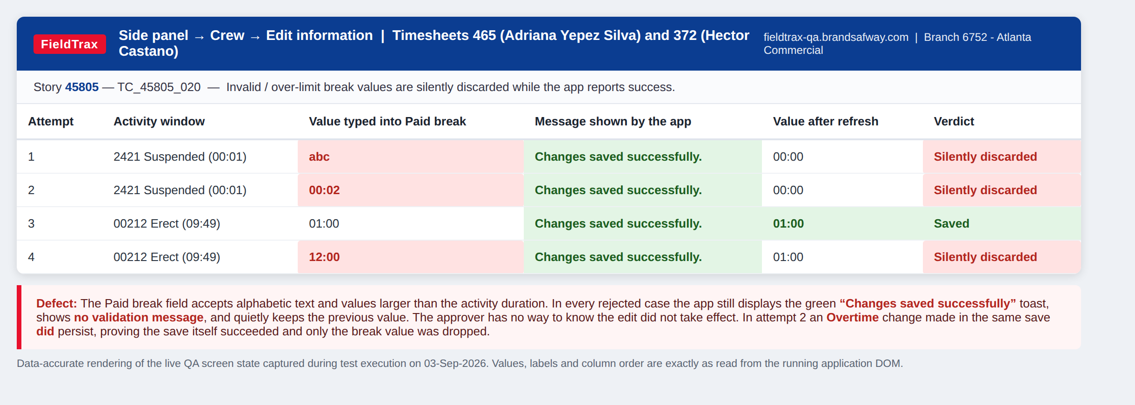

BUG-03 | The full unmasked employee workday ID is exposed in the page HTML on every timesheet row
High | Priority P1 | Story 45805 | Area: Security / data exposure | Test cases: TC_45805_024
Steps to reproduce | 1. Open any approver timesheet, for example timesheet 465 or 372. 2. Look at the Employee ID column. It correctly shows only the last four digits, for example ******4932. 3. Right-click any employee row and choose Inspect (or press F12 and look at the Elements panel). 4. Look at the <tr> element for that employee row and read the data-employee-key attribute.
Expected result | The unmasked workday ID should not appear in the rendered DOM, the page source or any tooltip. Only the masked value should reach the browser.
Actual result | Every employee row carries a data-employee-key attribute holding the complete unmasked 9-digit workday ID, alongside employeeId and manualEmployeeId. The masking is presentation-only - the real identifier is sitting in the HTML and is readable by anyone who opens DevTools, uses View Source, or runs any script on the page.
Why it matters | Defeats the purpose of masking the workday ID. Any browser extension, injected script or screen-scrape picks up the real employee identifiers. Should be reviewed by security / privacy before this goes to production.
Screenshot | BUG-03_workday_id_exposed_in_dom.png
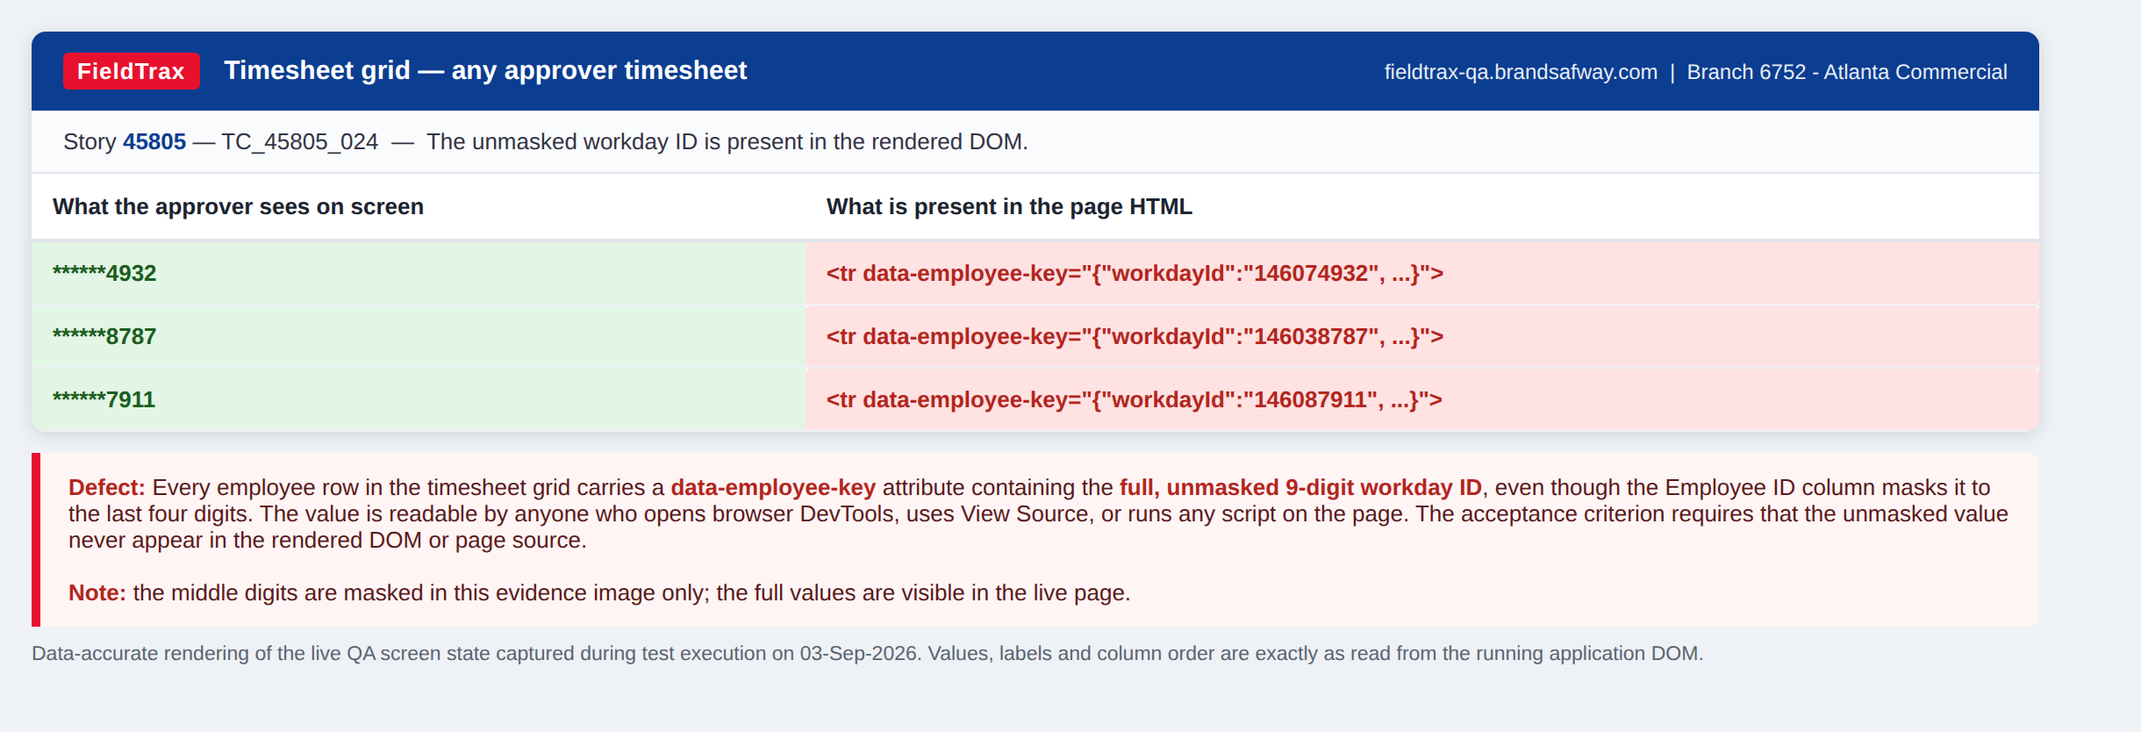

BUG-04 | The side panel opens on the Overview tab instead of the Crew tab
Medium | Priority P2 | Story 45805 | Area: Side panel | Test cases: TC_45805_007
Steps to reproduce | 1. Open a pending timesheet as an approver, for example timesheet 465. 2. Expand any employee row so the activity line underneath is visible. 3. Click the side panel icon on the activity line (the small blue reader icon next to the craft code). 4. Look at which tab is selected when the panel opens.
Expected result | The panel should open showing the Crew tab, with one accordion for each crew member on that activity.
Actual result | The panel opens on the Overview tab, showing Work order, Purchase order and job details. The approver has to click Crew manually every single time. Once Crew is clicked the accordion list itself is correct - activity 2421 with 5 crew members shows exactly 5 accordions.
Why it matters | Adds an extra click to every activity an approver reviews. On a timesheet with 20 activities that is 20 extra clicks for the crew detail the approver actually came for.
Screenshot | BUG-04_side_panel_opens_on_overview.png
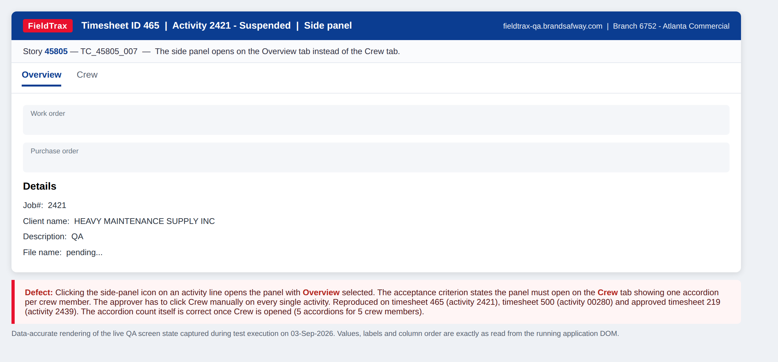

BUG-05 | The side panel header does not change to the selected crew member's name and masked ID
Medium | Priority P2 | Story 45805 | Area: Side panel | Test cases: TC_45805_008
Steps to reproduce | 1. Open pending timesheet 465 as an approver. 2. Click the side panel icon on the 2421 - Suspended activity line and switch to the Crew tab. 3. Expand a single crew member, for example Adriana Yepez Silva. 4. Read the heading at the very top of the side panel.
Expected result | The header should change to the selected crew member's name with their masked workday ID beside it.
Actual result | The header still reads 'Suspended' with 'Job#: 2421' underneath - the activity, not the person. The crew member's name and masked ID appear only inside the accordion row further down.
Why it matters | When an approver scrolls down through a long field list they lose sight of whose hours they are editing. On an activity with several crew this makes it easy to edit the wrong person.
Screenshot | BUG-05_panel_header_not_updated.png
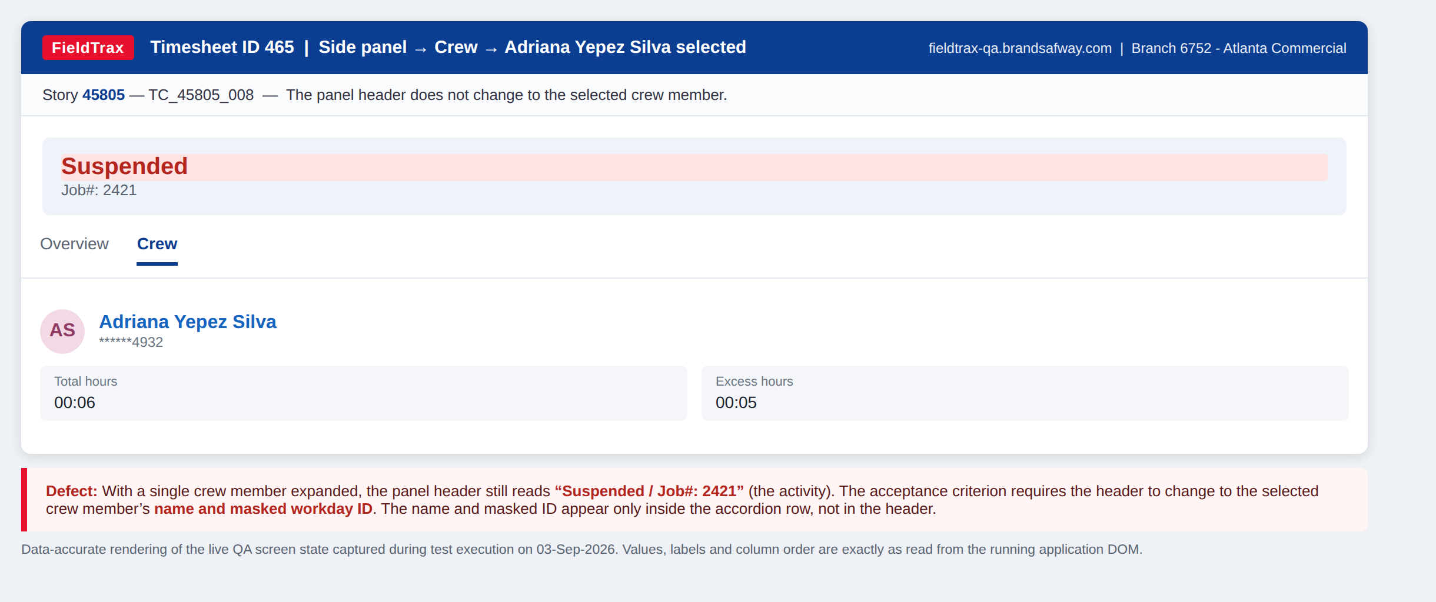

BUG-06 | Holiday and Vacation are editable in the side panel but should be read-only
Medium | Priority P2 | Story 45805 | Area: Side panel edit | Test cases: TC_45805_011
Steps to reproduce | 1. Open any pending timesheet as an approver and open the side panel for a crew member (Crew tab > expand the person). 2. Press Edit information. 3. Try to click into and type a value in each field in turn.
Expected result | Only the listed fields should accept input. Total hours, Excess hours, Holiday and Vacation should all stay read-only because they are derived or out of scope for this story.
Actual result | Total hours and Excess hours are correctly read-only, but Holiday and Vacation both accept typed input and can be saved.
Why it matters | An approver can overwrite Holiday and Vacation hours from a screen that was never meant to allow it, with no warning and no audit expectation that those fields would change here.
Screenshot | BUG-06_holiday_vacation_editable.png
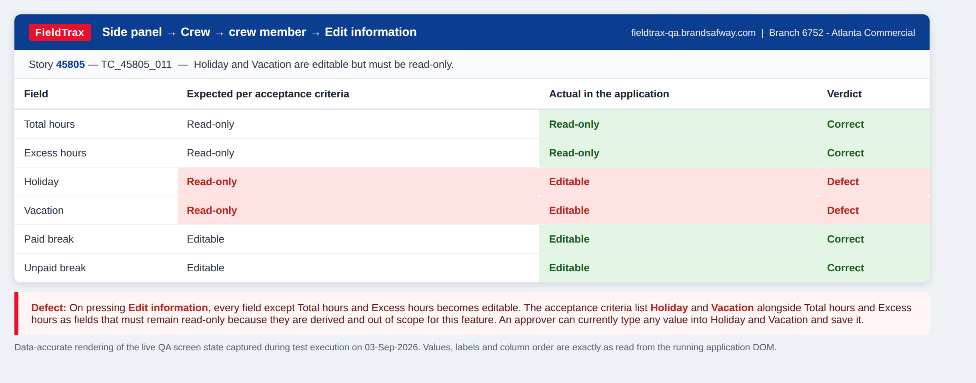

BUG-07 | Side panel Total hours does not match the grid, and Excess hours renders as a negative value
Medium | Priority P2 | Story 45805 | Area: Side panel / totals | Test cases: TC_45805_010
Steps to reproduce | 1. Open pending timesheet 372 as an approver. 2. Expand Hector Castano and read the Total hrs. value on the 00212 - Erect activity row. It shows 09:49. 3. Click the side panel icon on that same activity line, open the Crew tab and expand Hector Castano. 4. Read Total hours and Excess hours in the panel.
Expected result | The side panel values should be identical to the grid values for the same activity, with no rounding or unit difference. Excess hours should not be negative.
Actual result | The grid shows Total hours 09:49 but the panel shows 09:43 - a six minute difference for the same activity. The activity window 07:21 AM to 05:10 PM is 9 hours 49 minutes, so the grid is right and the panel is wrong; the panel looks like it is showing Standard + Overtime (08:21 + 01:22 = 09:43) instead of the activity duration. Excess hours displays as '- 00:06', a negative time with a stray space after the minus sign.
Why it matters | Two screens give two different answers for the same activity, so an approver cannot tell which to trust. A negative 'excess' is a contradiction in terms and is not a value the UI should ever show.
Screenshot | BUG-07_total_hours_mismatch.png
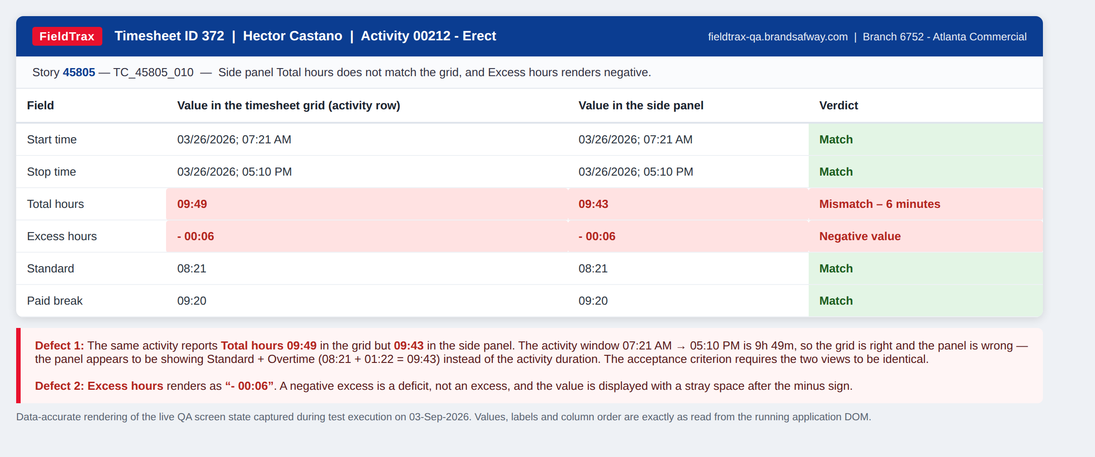

BUG-08 | A validation error is shown the moment edit mode opens, before the user types anything, and the wording is not readable English
Low | Priority P3 | Story 45805 | Area: Side panel edit / messaging | Test cases: TC_45805_020, TC_45805_021
Steps to reproduce | 1. Open pending timesheet 465 as an approver. 2. Click the side panel icon on the 2421 - Suspended activity line, open the Crew tab and expand Adriana Yepez Silva. 3. Press Edit information. 4. Read the panel without typing anything at all.
Expected result | Edit mode should open cleanly. A validation message should only appear in response to something the user actually entered, and should be written in plain English that tells them what to do.
Actual result | A red error appears immediately: 'Standard is invalid. Value must equal between the start/stop time of the activity.' It is triggered by data that was already saved (Standard 00:06 against a one-minute activity window), so the approver is shown a failure they did not cause and cannot clear. The Standard field is outlined in red before they touch it. The sentence is also not grammatical, and it contradicts the Excess hours field right above it, which exists to hold hours beyond the activity window and is showing 00:05.
Why it matters | Trains approvers to ignore red validation messages, which matters a lot given BUG-02 already hides real failures. Suggested wording: 'Standard hours cannot be greater than the time between the activity start and stop times.'
Screenshot | BUG-08_premature_validation_error.png
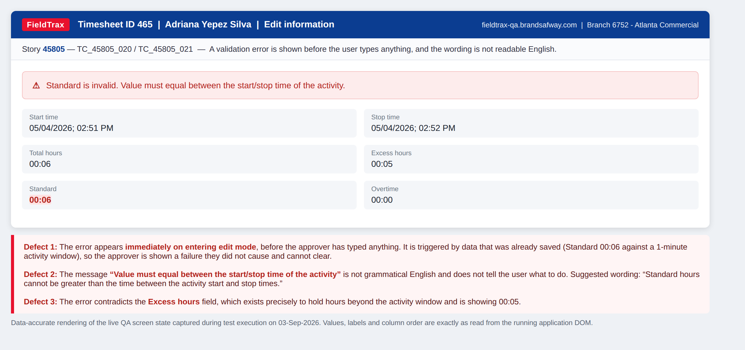

BUG-09 | Timesheet 372 carries implausible break and hour values that an approver is being asked to sign off
High | Priority P2 | Story 45805 | Area: Data integrity | Test cases: TC_45805_003, TC_45805_005
Steps to reproduce | 1. Open pending timesheet 372 (Shubham Choudhary, Mar 26 2026) as an approver. 2. Read the Total hrs., Standard, Clock in, Clock out, Unallocated and Paid break columns for every row.
Expected result | Values should be internally consistent: Standard should not exceed Total hrs, a paid break should be a plausible fraction of a shift, and a single day's timesheet should not span more than 24 hours.
Actual result | Three separate problems on one pending timesheet: - Hector Castano, Jamon Buffington and Sanket Benade all show an identical Paid break of 09:20 inside a 10:01 shift, leaving only 41 minutes of actual work. - Jamon Buffington has Standard 11:00 and Sanket Benade has Standard 11:12, both greater than their Total hrs of 10:01. - Shubham Choudhary shows Total hrs of 35:00 for a single day, clocking in 03/26 01:00 AM and out 03/27 12:00 PM, with 34:50 unallocated.
Why it matters | Whether the root cause is the mobile break capture, the API, or the same calculation gap as BUG-01, these rows make the new Paid break column unusable as an approval aid. Worth triaging with the mobile team before sign-off.
Screenshot | BUG-09_implausible_totals.png
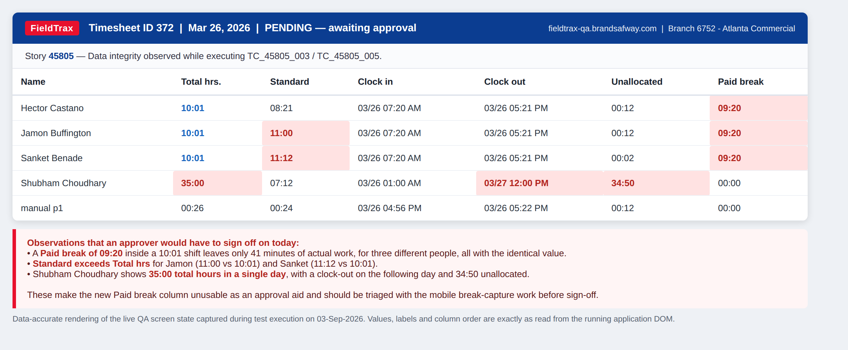

BUG-10 | No Show story is untestable in QA - no absence data exists - and the build uses a dash where the AC requires N/A
Medium | Priority P2 | Story 45439 | Area: No Show indicator | Test cases: TC_45439_001 to TC_45439_012
Steps to reproduce | 1. Log in as an approver on branch 6752 - Atlanta Commercial. 2. Work through the pending timesheet list (about 95 timesheets covering Sep 2025 to Aug 2026) and the approved list (52 timesheets). 3. Open any timesheet and look for a no-show indicator, a greyed-out crew member, or N/A in the Clock in / Clock out columns.
Expected result | At least one timesheet with an absent crew member should exist so the indicator, the grey-out, the N/A times and the reason tooltip can be verified.
Actual result | No timesheet in the branch has any crew member marked absent, so all 12 test cases for this story are blocked. Absence data can only be created by a foreman in the mobile app. The feature IS present in the deployed build - the bundle contains noShow and absentType handling and a tooltip of the form 'Absent: {reason}'. Found by inspecting that code: the build defines the empty value for these fields as '-' (a dash). TC_45439_004 requires the time columns to show literally 'N/A' and explicitly rules out a dash. This will fail as soon as absence data exists.
Why it matters | Story 45439 cannot be signed off from the web at all this pass. The dash-versus-N/A mismatch is cheap to fix now and will otherwise come back as a defect the moment real absence data lands.
Screenshot | BUG-10_no_show_not_verifiable.png
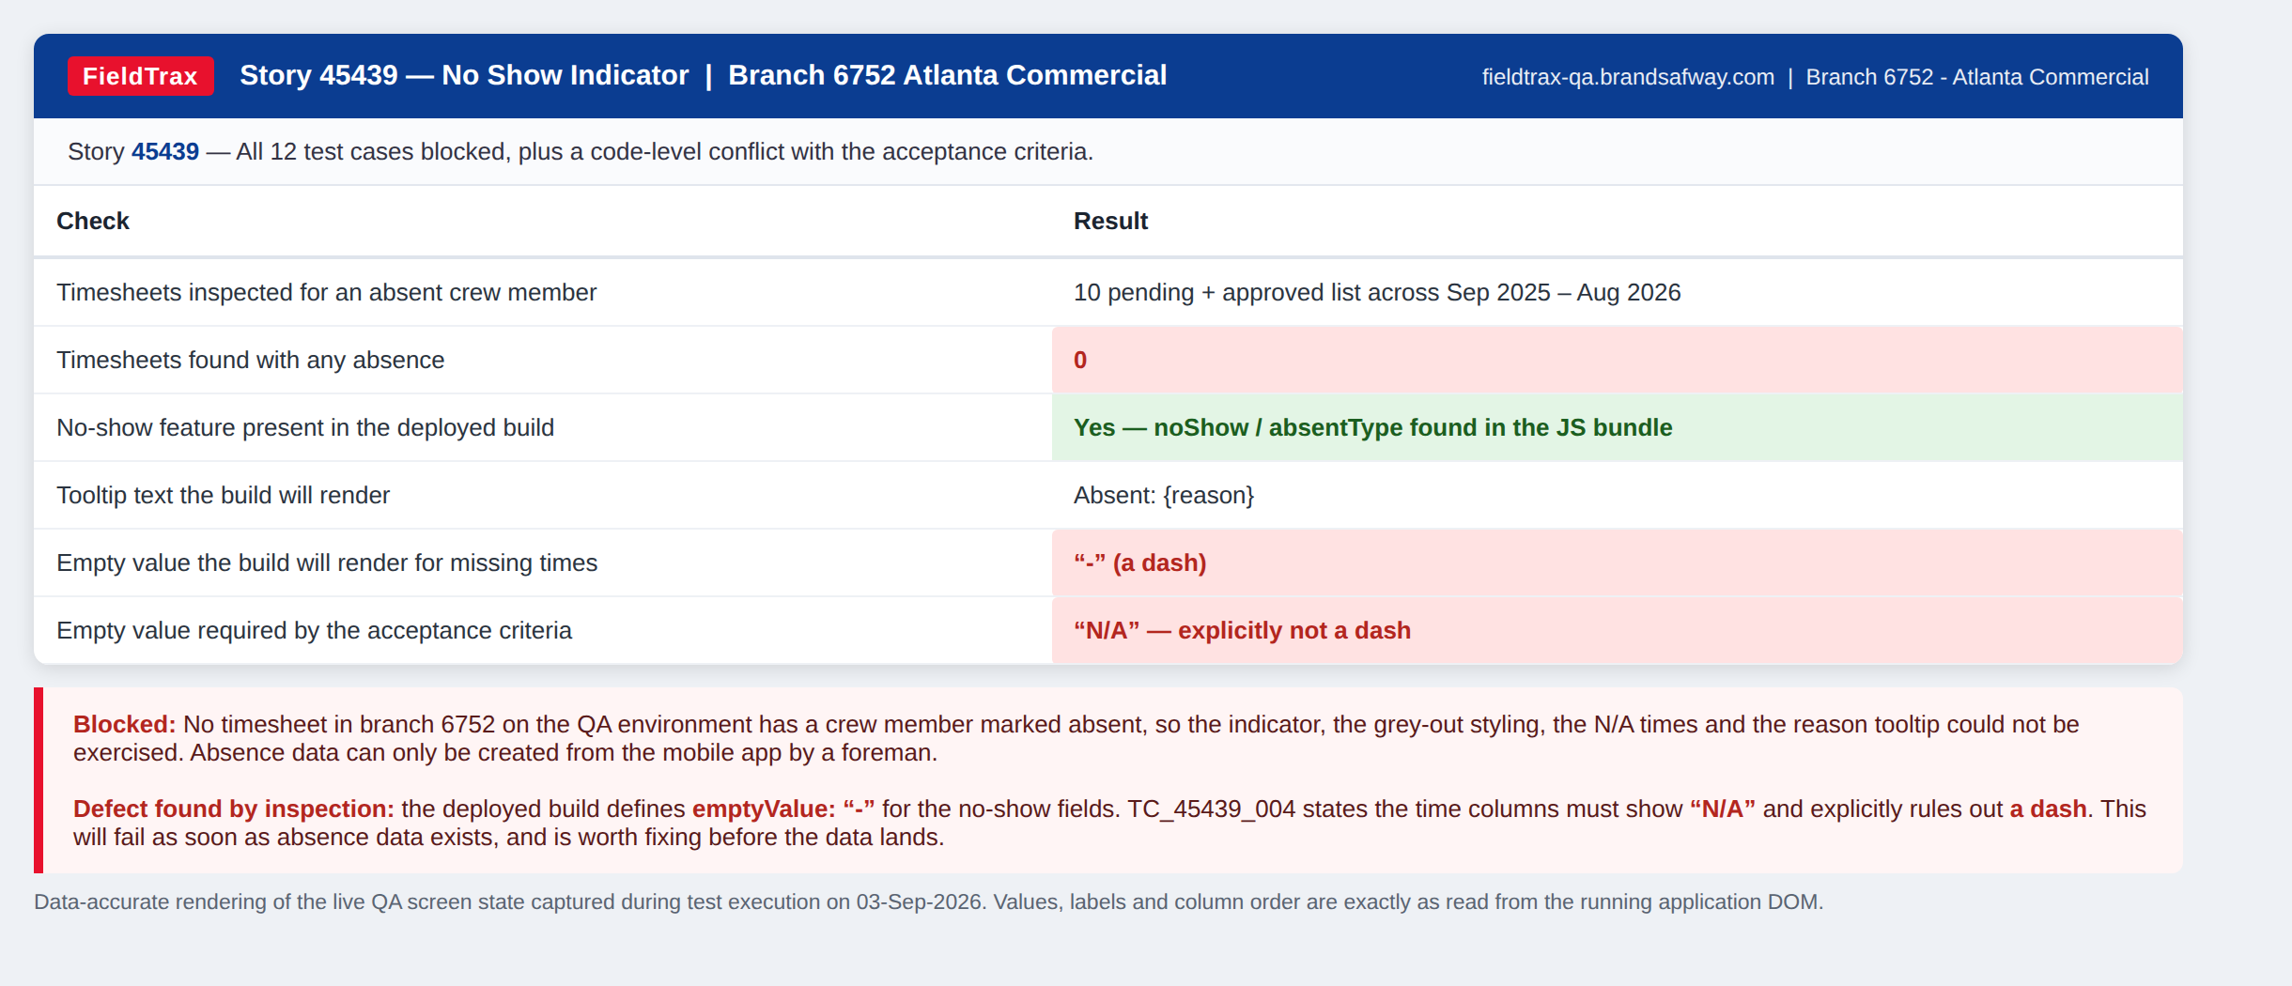

BUG-11 | There is no PDF export on the timesheet review screen - export only exists as a bulk action on the approved list
Medium | Priority P2 | Story 47459 | Area: PDF export | Test cases: TC_47459_001
Steps to reproduce | 1. Log in as an approver and open any timesheet with Review timesheet - pending or approved. 2. Look for a PDF export control anywhere on the timesheet review screen. 3. Now go back to Approver 1 > Approved, set Predefined date range to Custom date range and enter a range that returns results. 4. Look at the top right of the list page.
Expected result | The approver should be able to export the timesheet they are reviewing to PDF from the timesheet screen, as described in the story.
Actual result | There is no export control on the timesheet review screen for either pending or approved timesheets. The only Export PDF button lives on the Approved timesheets LIST page, it appears only once the date filter returns results, and it exports the whole filtered set rather than one timesheet. The export itself does work - it calls /api/v1/timesheets/timesheet-export, runs for about 5 seconds and reports 'Approved Timesheet exported successfully'.
Why it matters | Pending timesheets cannot be exported at all, and an approver reviewing one timesheet cannot export just that one. Please confirm with the BA whether the bulk list export is the intended design for this story.

